FIGURE S1
Figure S1: Forest plot showing the Associations between methotrexate and sulfasalazine treatment with dementia diagnosis in people with rheumatoid arthritis using conditional logistic regression analysis
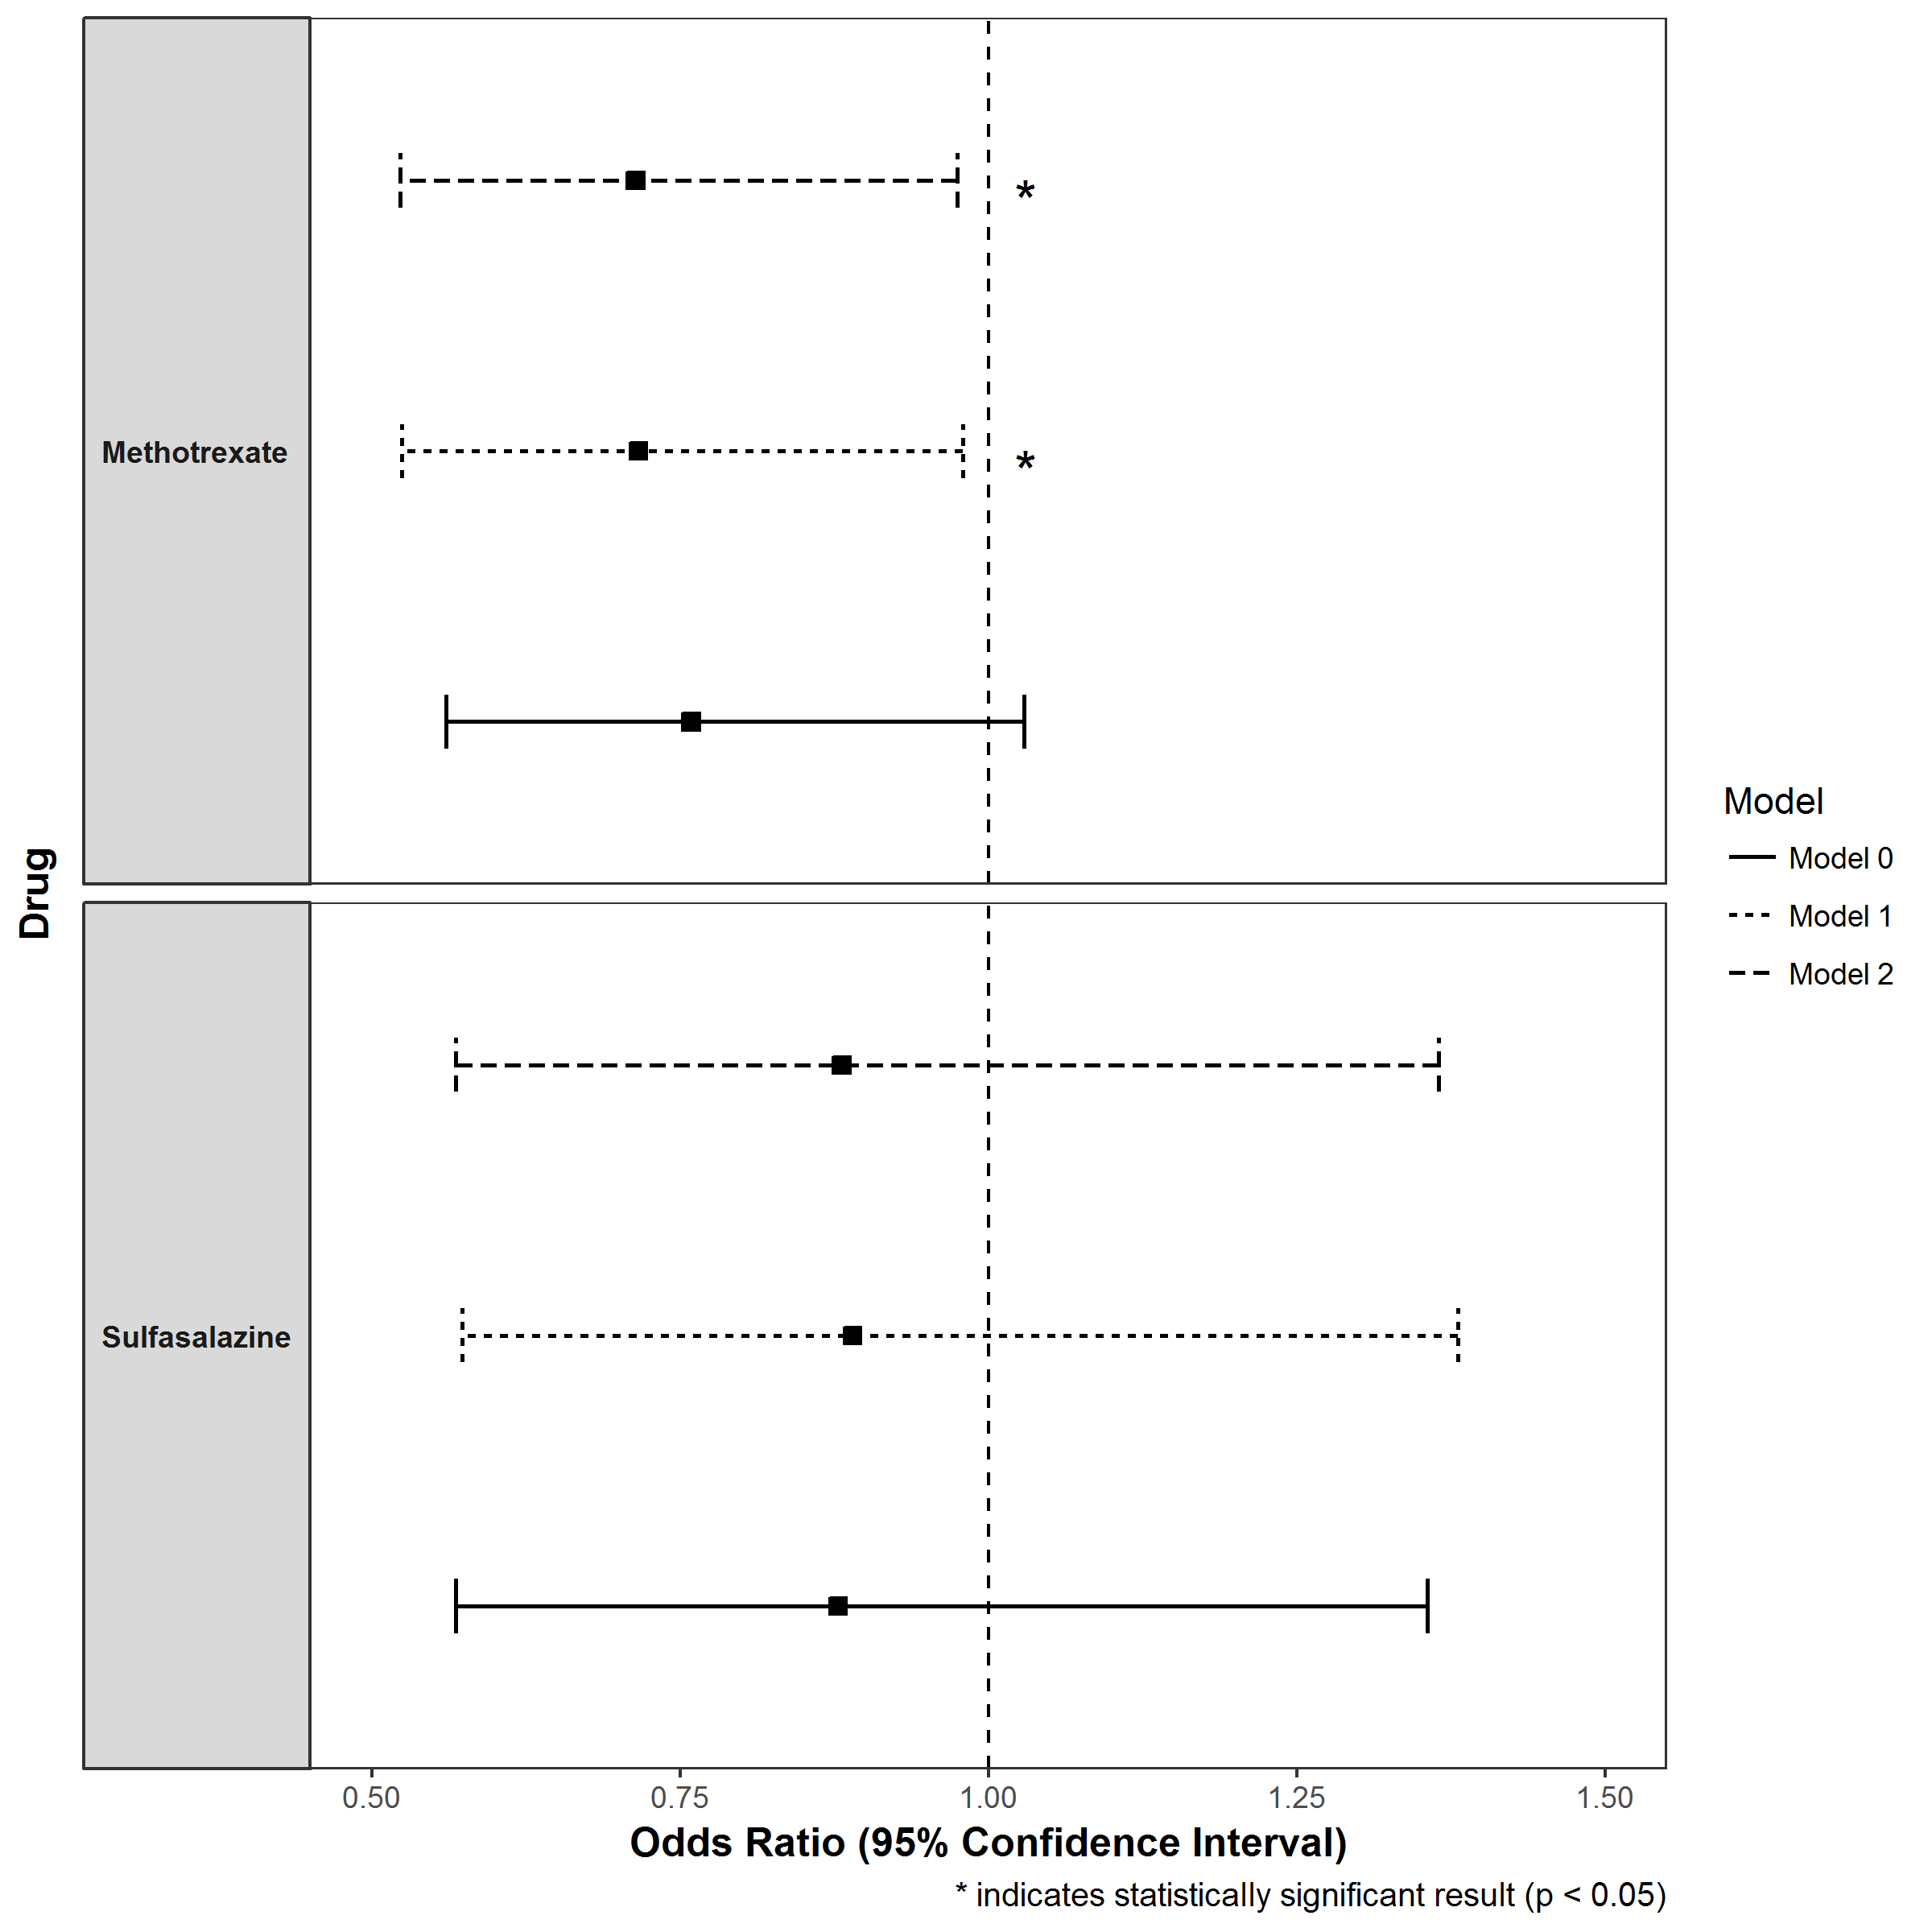

Model 0: no adjustment; Model 1 adjustment for age, BMI, stroke and AMI; Model 2: same as model 1 but not including stroke variable

